GAMBAR
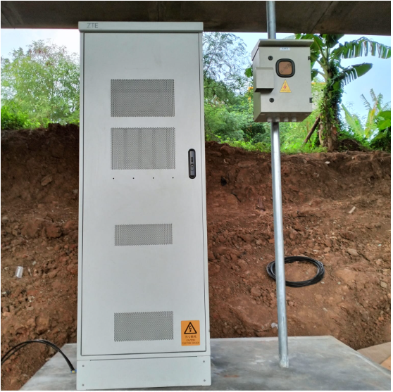
 |  |  |  |  | PT. PLN (PERSERO) UP3 DEMAK
Hasil Ukur Trafo 3 Ph 50 KVA ( X ) di -
 | X0 | X1 | X2 | X3 | Keterangan Gambar :
SIANG |  |  |  |  | No | Nama Material |  |  | Baru |  | Eksisting
s
s
MALAM |  |  |  |  | 1 | Tiang Beton
 |  |  |  |  | 2 | Tiang Besi
 |  |  |  |  | 3 | JTM 3 Fasa
 |  |  |  |  | 4 | JTM 1 Fasa
 |  |  |  |  | 5 | JTR 1 Fasa Only / UB
 |  |  |  |  | 6 | JTR 3 Fasa Only / UB
 |  |  |  |  | 7 | Trafo 1 Fasa
MGN01-56/3
1 SJ5
3 SR 1PH
1 PJU
1 C12 350
1 CC1-A
1 CM2-12
 |  |  |  |  | 8 | Trafo 3 Fasa
 |  |  |  |  | 9 | Fuse Cut Out
MGN01-56/8
1 C9 200E
1 SJ6
1 MJ6-T
1 CM2-12
1 CM2-12A
1 CE1-2
1 F1-2
 |  |  |  |  | 10 | ABSW
 |  |  |  |  | 11 | Vang Net
 |  |  |  |  | 12 | Schoor
 |  |  |  |  | 13

MGN01-56/4
1 C12 350
1 CC1-A
1 P12-C2
1 CM2-12
 |  |  |  |  | Bongkar Pasang Konstruksi :
 |  |  |  |  | Pasang |  |  |  | Bongkar
 |  |  |  |  | C9-200E |  | BTG | 2 | CA-5 |  | U | 0
 |  |  |  |  | LVTC 2X70+NX50 mm2 |  | U | 150 | CM5-9 |  | U | 0
A
 |  |  |  |  | CC1-A |  | U | 0 | SJ6 |  | U | 0
MGN01-56/3
1 RS9-100 DAN
1 SJ5
3 SR 1PH
1 PJU
 |  |  |  |  | CC7 |  | U | 0 | RS9-110 DAN |  | BTG | 0
37 m
37 m
 |  |  |  |  | CC8-AN |  | U | 0 | SJ5 |  | U | 0
 |  |  |  |  | PAPAN PERINGATAN |  | U | 0 | SR 1PH |  | U | 0
 |  |  |  |  | CC11 |  | U | 0 | PJU |  | U | 0
APP
LVTC 2X70+NX50 mm2
 |  |  |  |  | CM2-12 |  | U | 3
MGN01-56/1
1 CA-5
1 CM5-9
1 P12-C2
1 CC8-AN
1 CM5-9
1 CM2-12
1 CM2-12A
1 CE1-3
1 F1-3
 |  |  |  |  | CM2-12A |  | U | 1
 |  |  |  |  | CE1-3 |  | U | 1
APP
APP
 |  |  |  |  | F1-3 |  | U | 1
 |  |  |  |  | CM5-5 |  | U | 0
MGN01-56/7
1 C9 200E
1 SJ5
1 CM2-12
 |  |  |  |  | CM5-9 |  | U | 0
s
s
MGN01-56/2
1 C12 350
1 CC11
1 CM2-12
1 CM2-12A
1 CE1-3
1 F1-3
 |  |  |  |  | SJ6 |  | U | 2
 |  |  |  |  | CG313A 250 KVA |  | U | 0
s
s
 |  |  |  |  | CM2-11M |  | U | 0
 |  |  |  |  | AAAC 70 mm2 |  | M | 0
 |  |  |  |  | NYY 1X150 mm2 |  | M | 0
MGN01-56/5-6
1 CC1A
1 CC7
1 G313-A 250 KVA
2 C12 350E
1 CM2-12
1 CM2-12A
1 CE1-3
1 F1-3
3 CM2-11M
1 SR APP 3PH 197 KVA
1000 AAAC 1X70mm2
50 NYY 1X150 mm2
2 PIPA PVC 6"
4 KNEE PIPA 6"
4 SPIRAL PRALON 6"
4 POLEBAND DR 10.5
4 POLEBAND DR 6.5
4 KABEL BEVESTEGGING 6" 8 SEPATU KABEL CU-CU 150 mm2
7 PAPAN PERINGATAN
7 PENGHALANG PANJAT
 |  |  |  |  | APP 3P 197KVA |  | U | 0
MGN01-56/6
1 SJ6
1 CM2-12
3 CCO 70-70
 |  |  |  |  | PENGHALANG PANJAT |  | U | 0
 |  |  |  |  | Keterangan Tambahan : -7.026373, 110.523521

 |  |  |  |  | Golongan
 |  |  |  |  | No. Gambar |  | 1 |  |  | Lembar |  | dr
 |  |  |  |  | Gambar dari |  |  |  |  | Skala
 |  |  |  |  | Perihal:
 |  |  |  |  | PT INTEGRASI JARINGAN EKOSISTEM
 |  |  |  |  | JL. STASIUN BRUMBUNG MRANGGEN

 |  |  |  |  | Digambar |  | Staf Teknik
 |  |  |  |  | Diperiksa |  | TL. Teknik
 |  |  |  |  | Diketahui |  | Manager ULP
 |  |  |  |  | Disetujui |  | Man. Perencanaan

PETA
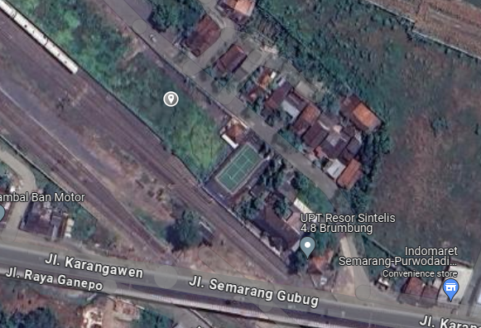
PETA LOKASI PELANGGAN

KOORDINAT LOKASI : -7.026373, 110.523521

